Economist Graphic - The Good Ch
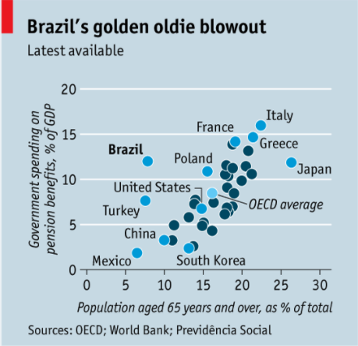
 |  | Your name | John Boyle

 |  | For this graphic, what do you see first? | A lot of blue on the chart - blue background, blue dots (of varying shades). I get why Brazil is highlighted, but why is are the other counties? Could they just be gray, and have color for only Brazil/OECD average? There are a lot of overlaying dots in the middle.

 |  | Make a note of the first idea that forms in your mind and then search for more. | Reduce the words and lines on the chart, simplify the color choices. Maybe highlight more analogous countries, not just OECD.

 | Article: https://www.economist.com/the-americas/2017/02/25/reducing-brazils-pension-burden

 | What I like | What I dislike | What I wish I saw
 | Overall, it is pretty simple - just percentage of age above 65 and percentage of GDP spent on pensions. Really easy to understand the crux of what is being shown. | No good reasons for color choices, too similar, not sure what I'm supposed to be looking at outside of Brazil. Too many countries highlighted with lighter blue colored points and text. The chart axes and titles might be a little too verbose. Maybe reduce the amount of tick marks and labels. | Trend line showing how population and spending relate for OECD countries. A better title/subtitle that is slightly more formal, and includes a date of when the data comes from. (I assume it had to be close to the print date, but that could be wrong and just putting "latest available" isn't helpful.) Other non-OECD countries that are more similar to Brazil, like the other OECD Key Partners - China, India, Indonesia, and South Africa.

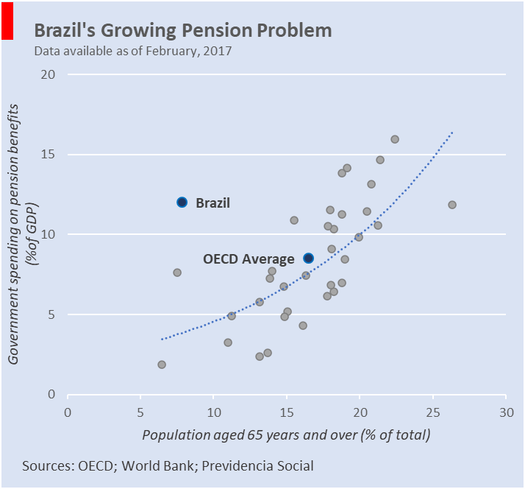
 | What are three things you'd change, and why?
 | I would change... | because....
 | The color of the dots… | there is too much unnecessary information on the chart as it is. The article available in Canvas makes no mention to counties outside of Brazil, so why bother highlighting them to the reader.
 | The amount of labelled counties… | again too much unnecessary information, causing clutter to the reader. If comparing to additional countries is necessary, maybe make the chart interactive so a mouse hovering over a point would show the country's name.
 | Add a trendline to the chart… | to show how large a gap it is between Brazil and countries with similar populations (should be about 4% GDP not 12%) or alternatively how those spending about 12% GDP have between 15-27% population over the age of 65.

References: | Berinato, S. (2016). Good charts: The HBR guide to making smarter, more persuasive data visualizations. |  | Quick sketch of an alternative graph using my critiques.

The Good Charts Matrix
Name of visualization | Design execution (-10 is poor, 10 is excellent) | Contextual awareness (-10 is low, 10 is high)
Economist | 4 | 0

Contextual awareness = what am I trying to say, to whom, and where?
Design execution = How well is this chart constructed? |  |  | Design execution generally feels like it is okay. I think the scatterplot itself is good, but it loses some points for overplotting the names and using too many shades of blue for no apparent reason. Contextually, it gets a zero for saying some things well but overall saying too many things. Why did it choose the countries it did to highlight, because it isn't apparent in the article. I'm sure you could make a good case for each individual label, but together it seems too much to me. If you want to have that level of information, maybe making a facetted chart with different highlights (like contiential averages might work?) or put it together in an interactive medium like an online publication where you can look at the individual points and get a snap shot of growing trends. I would think a reader from The Economist can understand just how much Brazil is under performing OECD countries, but moving it to an interactive platform could give much more context to an already educated group of subscribers. The article itself is focuses on two things. 1) This is a problem in Brazil now, and 2) it is going to get much worse in the future. I think it muddles the point in the present and ignores making a point about the future.

The Good Charts Matrix

Reference: Berinato, S. (2016). Good charts: The HBR guide to making smarter, more persuasive data visualizations.

